Welcome


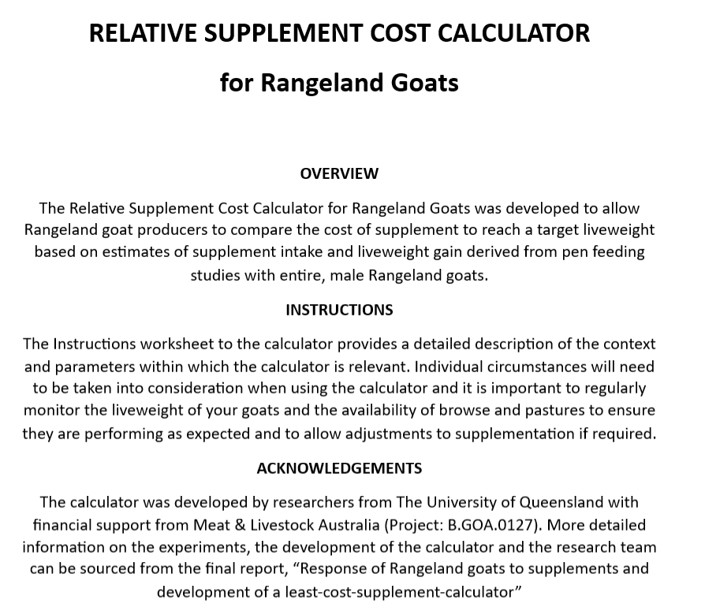

Guidelines
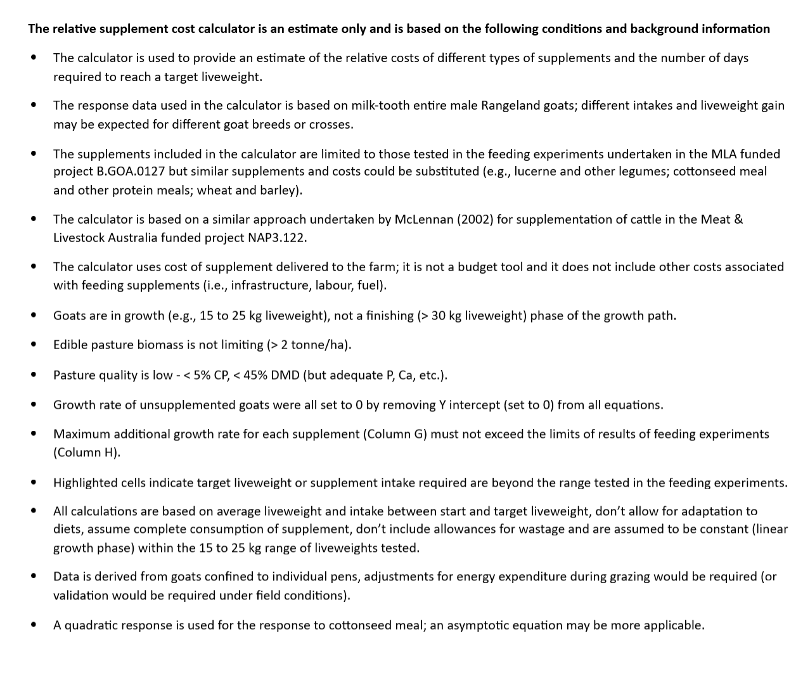

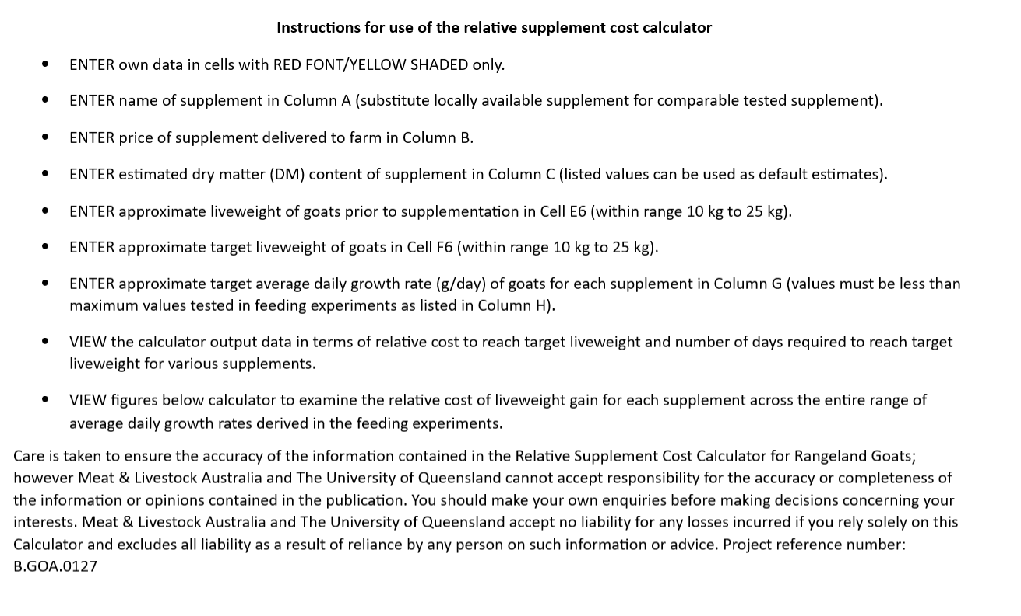

Calculator
Relative supplement cost - additional growth above unsupplemented goats
ENTER DATA IN CELLS WITH RED FONT/YELLOW SHADING ONLY (DO NOT ENTER DATA IN BLUE SHADED CELLS)

Supplement | Cost of supplement | DM Content | Cost of supplement | Goat liveweight start | Goat liveweight target | Additional growth rate required (above unsupplemented) | Maximum additional growth rate (above unsupplemented) | Cost of supplement | Cost of supplement | Supplement intake required | Supplement intake required | Cost of supplement | Cost of supplement | Number of days required to reach target liveweight | Total supplement cost to reach target liveweight
 | ($/tonne delivered) | (%) | ($/tonne DM) | (kg) | (kg) | (g/day) | (g/day) | (cent/kg DM) | (cent/g DM) | (g DM/day) | (g/day) | (cent/day) | ($/kg additional LWG) |  | ($)
Lucerne chaff |  |  | #DIV/0! |  |  |  | 51 | #DIV/0! | #DIV/0! | 0 | #DIV/0! | #DIV/0! | #DIV/0! | #DIV/0! | #DIV/0!
Cottonseed meal |  |  | #DIV/0! | 0 | 0 |  | 57 | #DIV/0! | #DIV/0! | 0 | #DIV/0! | #DIV/0! | #DIV/0! | #DIV/0! | #DIV/0!
Lucerne pellet |  |  | #DIV/0! | 0 | 0 |  | 67 | #DIV/0! | #DIV/0! | 0 | #DIV/0! | #DIV/0! | #DIV/0! | #DIV/0! | #DIV/0!
Wheat (+ minerals) |  |  | #DIV/0! | 0 | 0 |  | 105 | #DIV/0! | #DIV/0! | 0 | #DIV/0! | #DIV/0! | #DIV/0! | #DIV/0! | #DIV/0!
Sorghum (+ minerals) |  |  | #DIV/0! | 0 | 0 |  | 85 | #DIV/0! | #DIV/0! | 0 | #DIV/0! | #DIV/0! | #DIV/0! | #DIV/0! | #DIV/0!
Pellet |  |  | #DIV/0! | 0 | 0 |  | 165 | #DIV/0! | #DIV/0! | 0 | #DIV/0! | #DIV/0! | #DIV/0! | #DIV/0! | #DIV/0!
 |  |  |  |  |  | Must be equal to or lower than values in Column H
Highlighted cells indicate target growth rate required or supplement intake is unlikely to be biologically possible or is outside the range tested in feeding studies

 | Lucerne chaff |  | Cottonseed meal |  | Lucerne pellet |  | Wheat |  | Sorghum |  | Pellet
0.0 | 0.0 | 0.0 | 0.0 | 0.0 | 0.0 | 0.0 | 0.0 | 0.0 | 0.0 | 0.0 | 0.0
5.7 | 0.0 | 17.5 | 0.0 | 6.8 | 0.0 | 11.5 | 0.0 | 9.1 | 0.0 | 18.2 | 0.0
11.4 | 0.0 | 31.9 | 0.0 | 13.6 | 0.0 | 23.1 | 0.0 | 18.3 | 0.0 | 36.3 | 0.0
17.1 | 0.0 | 43.1 | 0.0 | 20.3 | 0.0 | 34.6 | 0.0 | 27.4 | 0.0 | 54.5 | 0.0
22.8 | 0.0 | 51.1 | 0.0 | 27.1 | 0.0 | 46.1 | 0.0 | 36.5 | 0.0 | 72.6 | 0.0
28.5 | 0.0 | 56.0 | 0.0 | 33.9 | 0.0 | 57.7 | 0.0 | 45.7 | 0.0 | 90.8 | 0.0
34.2 | 0.0 |  |  | 40.7 | 0.0 | 69.2 | 0.0 | 54.8 | 0.0 | 108.9 | 0.0
39.9 | 0.0 |  |  | 47.5 | 0.0 | 80.7 | 0.0 | 63.9 | 0.0 | 127.1 | 0.0
45.6 | 0.0 |  |  | 54.2 | 0.0 | 92.3 | 0.0 | 73.1 | 0.0 | 145.3 | 0.0
51.3 | 0.0 |  |  | 61.0 | 0.0 | 103.8 | 0.0 | 82.2 | 0.0 | 163.4 | 0.0
 | Lucerne chaff | Cottonseed meal | Lucerne pellet | Wheat | Sorghum | Pellet
0 | 0.0 | 0.0 | 0.0 | 0.0 | 0.0 | 0.0
0 | 5.7 | 17.5 | 6.8 | 11.5 | 9.1 | 18.2
0 | 11.4 | 31.9 | 13.6 | 23.1 | 18.3 | 36.3
0 | 17.1 | 43.1 | 20.3 | 34.6 | 27.4 | 54.5
0 | 22.8 | 51.1 | 27.1 | 46.1 | 36.5 | 72.6
0 | 28.5 | 56.0 | 33.9 | 57.7 | 45.7 | 90.8
0 | 34.2 |  | 40.7 | 69.2 | 54.8 | 108.9
0 | 39.9 |  | 47.5 | 80.7 | 63.9 | 127.1
0 | 45.6 |  | 54.2 | 92.3 | 73.1 | 145.3
0 | 51.3 |  | 61.0 | 103.8 | 82.2 | 163.4
0
0
0

 | Supplement intake |  | Liveweight gain response (g/day) |  |  |  |  |  |  |  | Cost (cent/day)
 | g DM/kg LW.day | (g DM/day)
 |  |  | Lucerne chaff | Cottonseed meal | Lucerne pellet | Wheat | Sorghum | Pellet |  |  | Lucerne chaff | Cottonseed meal | Lucerne pellet | Wheat | Sorghum | Pellet
 |  |  | Linear | Quadratic | Linear | Linear | Linear | Linear |  |  | Linear | Quadratic | Linear | Linear | Linear | Linear

 | 0.0 | 0 | 0.0 | 0.0 | 0.0 | 0.0 | 0.0 | 0.0 |  |  | #DIV/0! | #DIV/0! | #DIV/0! | #DIV/0! | #DIV/0! | #DIV/0!
 | 2.5 | 0 | 5.7 | 17.5 | 6.8 | 11.5 | 9.1 | 18.2 |  |  | #DIV/0! | #DIV/0! | #DIV/0! | #DIV/0! | #DIV/0! | #DIV/0!
 | 5.0 | 0 | 11.4 | 31.9 | 13.6 | 23.1 | 18.3 | 36.3 |  |  | #DIV/0! | #DIV/0! | #DIV/0! | #DIV/0! | #DIV/0! | #DIV/0!
 | 7.5 | 0 | 17.1 | 43.1 | 20.3 | 34.6 | 27.4 | 54.5 |  |  | #DIV/0! | #DIV/0! | #DIV/0! | #DIV/0! | #DIV/0! | #DIV/0!
 | 10.0 | 0 | 22.8 | 51.1 | 27.1 | 46.1 | 36.5 | 72.6 |  |  | #DIV/0! | #DIV/0! | #DIV/0! | #DIV/0! | #DIV/0! | #DIV/0!
 | 12.5 | 0 | 28.5 | 56.0 | 33.9 | 57.7 | 45.7 | 90.8 |  |  | #DIV/0! | #DIV/0! | #DIV/0! | #DIV/0! | #DIV/0! | #DIV/0!
 | 15.0 | 0 | 34.2 |  | 40.7 | 69.2 | 54.8 | 108.9 |  |  | #DIV/0! |  | #DIV/0! | #DIV/0! | #DIV/0! | #DIV/0!
 | 17.5 | 0 | 39.9 |  | 47.5 | 80.7 | 63.9 | 127.1 |  |  | #DIV/0! |  | #DIV/0! | #DIV/0! | #DIV/0! | #DIV/0!
 | 20.0 | 0 | 45.6 |  | 54.2 | 92.3 | 73.1 | 145.3 |  |  | #DIV/0! |  | #DIV/0! | #DIV/0! | #DIV/0! | #DIV/0!
 | 22.5 | 0 | 51.3 |  | 61.0 | 103.8 | 82.2 | 163.4 |  |  | #DIV/0! |  | #DIV/0! | #DIV/0! | #DIV/0! | #DIV/0!
 | 25.0 | 0
 | 27.5 | 0

 | 30.0 | 0

